Table Lookups
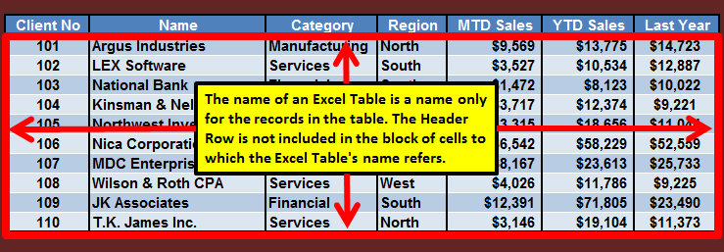
Looking Up (Finding) Information in Lookup Tables

 | We often look up information of various kinds

Exact match required (the person's name must exactly match a name in the phone book);
exact-match lookup
 | For example, we might look up a person's
 | phone number in a telephone book
 | ("What is my friend's phone number?")

Exact match not required (find the interval into which the score falls); this is an interval lookup, sometimes called an approximate match lookup)
 | Or we might look up the letter grade
 | corresponding to a score on an exam:
 | "scores from 95 to 100 are an A;
 | scores from 90 to 94 are an A-;
 | scores from 85 to 89 are a B+; etc."
 | ("Ann's exam score is 91. What is her letter grade?")

 | The information for such lookups can be stored in
 | Excel in the form of lookup tables. Excel provides
 | lookup functions that can be used to "look up"
 | information stored in lookup tables.

 | The lookup tables can (but don't have to)
 | take the form of records contained in a
 | Structured Range of Data or in an Excel Table.

 | The lookup tables themselves consist only of the
 | records in such cases, they do not include
 | the field names. This means an Excel Table's
 | name can be used as the name of a lookup table.

Miniature Phone Book
Vertical Lookup Tables
(Phone Book Used as an Example; an Exact Match is Required)
In a vertical lookup table, the lookup table's compare values are listed in the leftmost column of the table (in other words, in a vertical list; see below).

During an "exact match is required" table lookup, compare values are tested by the lookup function as follows, top-down, in the phone book example:
"Does my friend's name match the first compare value?"
"If not, does it match the second compare value?"
"If not, does it match the third compare value?"
And so on, until a match is found (success!) or the end of the table is reached (error message!), whichever comes first.

 | Vertical Lookup Table Columns
 | Column 1 | Column 2
 | (Compare Values) | (Result Values)

A miniature "phone book"
Here we have a collection of two-field records, without field names. In general, however, a vertical lookup table can consist of any number of columns, and the "result column" for a given lookup can be the second column in the lookup table, or the third column, etc.
 | Crane, Catherine | 971-0514
 | Deitzen, Anthony | 747-9881
 | Hartenburg, Wayne | 426-3591
 | Holtfreter, Lillian | 662-7415
 | Jedele, Sheri | 429-2417
 | Kahn, Alan | 426-2743
 | Livant, D. | 741-8220
 | McNamara, Arthur | 662-0636
 | Mull, Betty Kay | 475-1797
 | Nickerson, Bart | 665-6834
 | Presser, Larry | 483-2078
 | Presser, Larry | 417-5732
 | Prience, Alice C. | 663-0354
 | Richardson, Bruce | 667-8650
 | Column 1 | Column 2

 | the compare values
 | must be in Column 1
 | of a vertical lookup table
 | (the compare values form a
 | vertical list, resulting in the
 | name vertical lookup table)

 | When using a lookup function, you specify the
 | lookup value that is to be compared to the compare values
 | (in the phone book example, the lookup value is the name of
 | the person whose phone number you want to look up)

 | When constructing a lookup-table formula
 | you specify whether an exact match is required
 | between the lookup value and a compare value,
 | or whether it's OK just to find the interval
 | into which the lookup value falls

Phone Book Example
Lookups in Vertical Tables: The VLOOKUP Function
(VLOOKUP: Vertical table LOOKUP)

"Looking Up Phone Numbers in a Telephone Book"
(An Exact Match is required for the lookup to be meaningful)

VLOOKUP(lookup_value, table_array, col_index_num, range_lookup) searches for a matching value in the leftmost column of the table, and then retrieves the value in the same row but in another column that you specify.
 | Lookup Table Columns
 | Column 1 | Column 2
 | (Compare Values) | (Result Values)

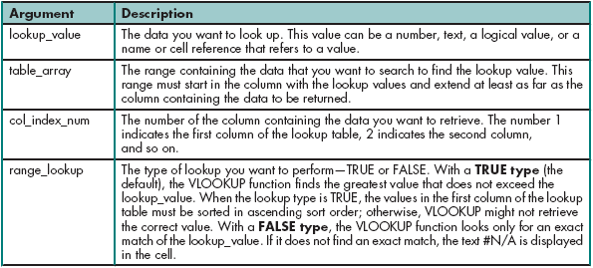
 | Crane, Catherine | 971-0514
 | Deitzen, Anthony | 747-9881 | Use VLOOKUP to try to look up the
 | Hartenburg, Wayne | 426-3591 | phone numbers of the people below
 | Holtfreter, Lillian | 662-7415
 | Jedele, Sheri | 429-2417
 | Kahn, Alan | 426-2743
 | Livant, D. | 741-8220 | Name | Number
 | McNamara, Arthur | 662-0636 | Mull, Betty Kay | 475-1797
 | Mull, Betty Kay | 475-1797 | Presser, Larry | 417-5732
 | Nickerson, Bart | 665-6834 | Jedel, Sheri
 | Presser, Larry | 483-2078
When building the lookup formula in Cell F19, use absolute references for the table_array. The fill handle can then be used to copy the formula into Cells F20 and F21 correctly.
 | Presser, Larry | 417-5732
 | Prience, Alice C. | 663-0354
 | Richardson, Bruce | 667-8650

VLOOKUP Screen Captures
Here are screen captures for the
VLOOKUP Insert Function Dialog box…

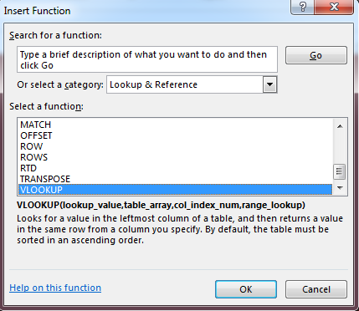

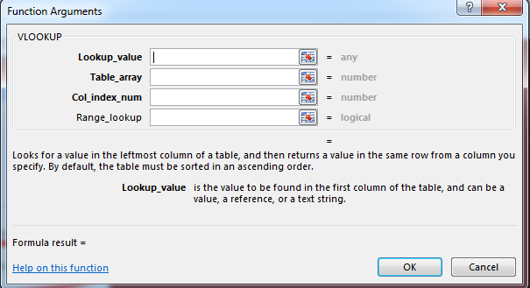

Boldface labels indicate arguments for which values must be supplied explicitly
Non-bolded labels indicate arguments for which a default value will be in effect if there is no value supplied explicitly

The name of an Excel Table would be acceptable here, assuming that the leftmost field in the Excel Table consists of compare values.)
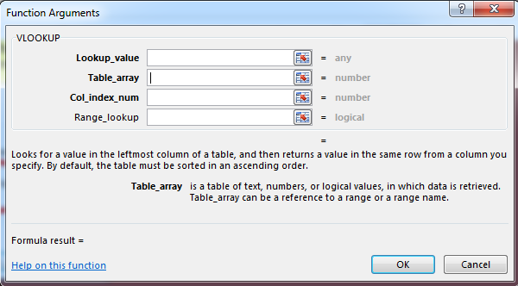

If the VLOOKUP formula you are building is to be propagated into other cells, use absolute references (or equivalent) for theTable_array.
"Equivalent" could be the name of an Excel Table, or it could be a user-defined name for the Lookup Table)

Must the compare values be in ascending order?
It all depends (but it's always OK to have them in ascending order!).
When looking for an exact match, the compare values do not have to be
in ascending order.
When looking for the interval in which the lookup value falls, however, the compare values must be in ascending order or an incorrect result might occur.
Does the software test for ascending order? No. It assumes you know what you are doing.
Rule of Thumb
play it safe; always put the compare values in ascending order.

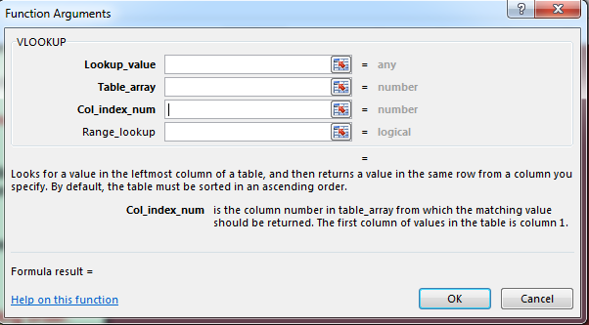

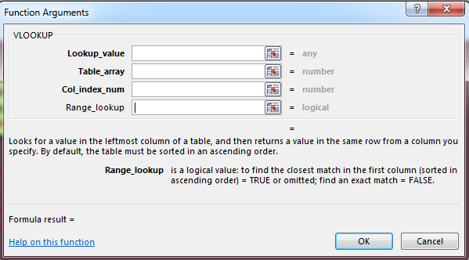

Defaults to an interval lookup; key in FALSE as the value if an exact match is needed

Error-Code Summary
Error Codes in Excel

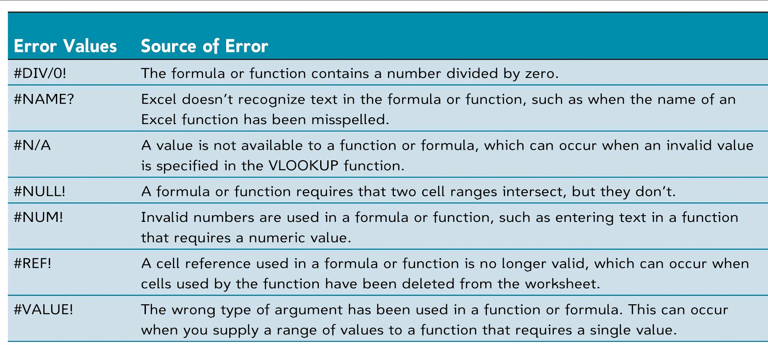

 | #DIV/0!

The IFERROR Function
The IFERROR Function
("If Error", as in "IF an ERROR code is produced")

The IFERROR function is used to determine if attempted evaluation of the formula in a cell results in an error code (an error message) and, if it does, displays a message of the user's design in the cell rather than the default error code.
(A message of the user's design can be more user-friendly and meaningful than a default error code, such as #N/A, for example.)

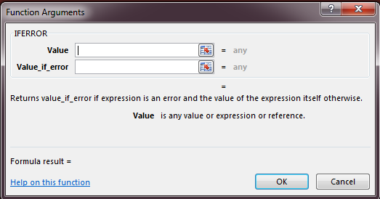
The first IFERROR argument is the formula to be evaluated

 |  |  |  |  |  | This function is not commonly used so it is ok if you don’t understand. But better if you can understand

 |  |  |  |  | 0
 |  |  |  |  |  | FALSE

 |  |  |  |  |  | cannot divide string by number

The second IFERROR argument is the message to be displayed if attempted evaluation of the formula in the first argument produces an error code.

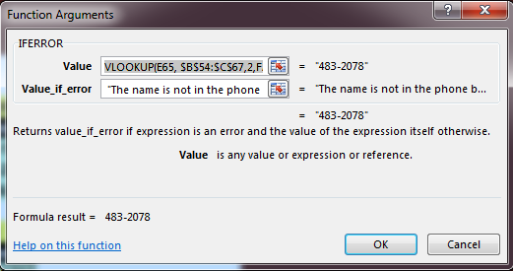
Use of the IFERROR Function in the Phone Book Example

 | Crane, Catherine | 971-0514
 | Deitzen, Anthony | 747-9881
 | Hartenburg, Wayne | 426-3591 | Without IFERROR
 | Holtfreter, Lillian | 662-7415 | Name | Number
 | Jedele, Sheri | 429-2417 | Mull, Betty Kay | 475-1797
 | Kahn, Alan | 426-2743 | Presser, Larry | 483-2078
 | Livant, D. | 741-8220 | Jedel, Sheri | #N/A
 | McNamara, Arthur | 662-0636
 | Mull, Betty Kay | 475-1797 | With IFERROR |  |  | With IFERROR (Solved)
 | Nickerson, Bart | 665-6834 | Name | Number |  | Name | Number
 | Presser, Larry | 483-2078 | Mull, Betty Kay |  |  | Mull, Betty Kay | 475-1797
 | Presser, Larry | 417-5732 | Presser, Larry |  |  | Presser, Larry | 483-2078
 | Prience, Alice C. | 663-0354 | Jedel, Sheri |  |  | Jedel, Sheri | The name is not in the phone book.
 | Richardson, Bruce | 667-8650

VLOOKUP Example 2
Using Numbers as the Basis for the Lookup
(Exact Match Again Required in These Examples)

 | Lookup Table Columns
 | Column 1 | Column 2 | Column 3 | Column 4
 | Product Code | Unit Cost | Selling Price | Description
 | 14685 | $2.75 | $4.50 | Crunchy Nuts
 | 15237 | $1.90 | $3.80 | Trail Mix
 | 16743 | $3.90 | $6.25 | Morning Delight
 | 17663 | $3.25 | $5.95 | Captain Crunch
 | 18659 | $4.10 | $7.50 | Godzilla Grapes

 | What's the description of product 16743?

The "Col index num" is 4
 | Answer: | Morning Delight

 | What's the selling price of product 18659?
The "Col index num" is 3
 | Answer: | $7.50

 | What's the unit cost of product 14685?
The "Col index num" is 2
 | Answer: | $2.75

 | What's the unit cost of product 14686?

 | Answer:

VLOOKUP Example 2 Solved
Using Numbers as the Basis for the Lookup
(Exact Match Again Required in These Examples)

 | Lookup Table Columns
 | Column 1 | Column 2 | Column 3 | Column 4
 | Product Code | Unit Cost | Selling Price | Description
 | 14685 | $2.75 | $4.50 | Crunchy Nuts
 | 15237 | $1.90 | $3.80 | Trail Mix
 | 16743 | $3.90 | $6.25 | Morning Delight
 | 17663 | $3.25 | $5.95 | Captain Crunch
 | 18659 | $4.10 | $7.50 | Godzilla Grapes

 | What's the description of product 16743?

The "Col index num" is 4
 | Answer: | Morning Delight

 | What's the selling price of product 18659?
The "Col index num" is 3
 | Answer: | $7.50

 | What's the unit cost of product 14685?
The "Col index num" is 2
 | Answer: | $2.75

 | What's the unit cost of product 14686?

 | Answer: | There is no such product code in the table!

HLOOKUP Example
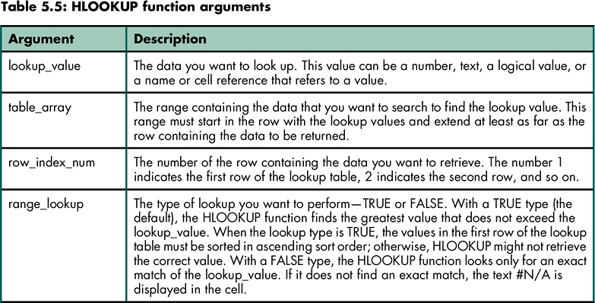
The HLOOKUP (Horizontal LOOKUP) Function
(The Compare Values are Arranged Horizontally
in the First Row of the Lookup Table)

Code: | 14685 | 15237 | 16743 | 17663 | 18659 | Row 1
Cost: | $2.75 | $1.90 | $3.90 | $3.25 | $4.10 | Row 2
Price: | $4.50 | $3.80 | $6.25 | $5.95 | $7.50 | Row 3
Name: | Crunchy Nuts | Trail Mix | Morning Delight | Captain Crunch | Godzilla Grapes | Row 4

 | What's the description of product 16743?

The "Row index num" is 4
 | Answer:
 | Formula: | HLOOKUP(16743,C7:G10,4,FALSE)

HLOOKUP(lookup_value, table_array, row_index_num, range_lookup) looks up a value by testing for a criterion across a row.

More About the Example
More Details About the Example

This notation has this meaning:
lookup values that fall into the first interval are >= 0 but < 30;
lookup values that fall into the second interval are >= 30 but <50;
and so on.

The compare values in the corresponding lookup table are listed below. Note that the compare values are single numbers, e.g., 0, not 0 - < 30; and 30, not 30 - < 50; etc.
(Each compare value is the inclusive starting point of an interval that extends up to but excludes the next compare value. The next compare value is the inclusive starting point of the next interval, etc.)

The first compare value is the lower bound for the first interval. Lookup values less than the first compare value result in an error message.
 | 0
 | 30
 | 50
 | 60
 | 70
The last compare value starts an interval that has no upper bound (!)
 | 77
 | 84

When a lookup value falls into an interval, from which row in the lookup table is a value then retrieved by the VLOOKUP function?
Answer: the row that starts the interval.
Examples for the compare values above:
Lookup Value Which Interval? Retrieve from which Row?
0 the 1st The "0" row
12 the 1st The "0" row
29 the 1st The "0" row
30 the 2nd The "30" row
49 the 2nd The "30" row
50 the 3rd The "50" row
and so on...

Implementation of the Example
Implementation of the Lookup Table in the Example

=VLOOKUP(lookup_value, table_array, col_index_num, range_lookup) searches for a matching value in the leftmost column of the table, and then retrieves the value in the same row but in another column that you specify.

 | Lookup Table
 | 0 | F
 | 30 | D
 | 50 | C
 | 60 | BC
 | 70 | B
 | 77 | AB
 | 84 | A

 | Grade Book
 | 85 | A
 | 50 | C
 | 67 | BC
 | 93 | A
 | 48 | D
 | 100 | A
 | 72 | B
 | -5 | #N/A
 | 105 | A

Completion of the Example
Solution for the Example

 | Lookup Table
 | 0 | F
 | 30 | D
 | 50 | C
 | 60 | BC
 | 70 | B
 | 77 | AB
 | 84 | A

 | Grade Book
 | 85 | A
 | 50 | C
 | 67 | BC
 | 93 | A
If a lookup value is less than the first compare value, a #N/A error message results, as shown here.
But lookup values greater than the last compare value simply fall into the last interval in the lookup table. (The interval has no upper limit.) And so a score of 105, although perhaps not possible, does not have special attention called to it.
To modify this situation, you can add another row to the lookup table, using a compare value of 101. The value 101 then starts an interval that continues indefinitely. Any lookup value falling into that interval will display whatever is stored in column 2 of the "101 row" in the lookup table. What's stored there could be user-composed text.
.
 | 48 | D
 | 100 | A
 | 72 | B
 | -5 | #N/A
 | 105 | A

 | Lookup Table
 | 0 | F
 | 30 | D
 | 50 | C
 | 60 | BC
 | 70 | B
 | 77 | AB
 | 84 | A
 | 101 | ????

 | Grade Book
 | 85 | A
 | 50 | C
 | 67 | BC
 | 93 | A
 | 48 | D
 | 100 | A
 | 72 | B
 | -5 | #N/A
 | 105 | ????

LOOKUP Function
In addition to VLOOKUP and HLOOKUP, we can use LOOKUP function:
LOOKUP(lookup_value, lookup_vector, result_vector)
retrieve data from a lookup table with a vertical or horizontal orientation.
Typically, we use LOOKUP function when the lookup range is not in the first column of a table if using VLOOKUP or not in the first row of a table if using HLOOKUP.

Points | Level | Grade | Points | 5300
1000 | Bronze | A | Match | 5000
2000 | Silver | B | Level | Diamond
3000 | Gold | C | Grade | E
4000 | Platinum | D
5000 | Diamond | E

VLOOKUP #1 at Talent Tracs
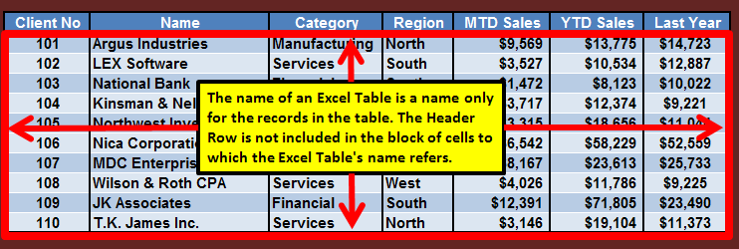
A First Use of a Lookup Table at Talent Tracs

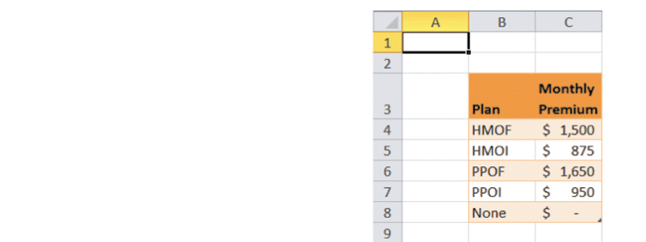

This lookup table is an Excel Table named HealthPlanRates, which is shown below.

You can verify the name of this Excel Table via its contextual tab.
 | Plan | Monthly Premium
 | HMOF | $1,500
 | HMOI | $875
 | PPOF | $1,650
 | PPOI | $950
 | None | $-

Remember that the name of an Excel Table is only a name for the records in the Excel Table, as illustrated below. (The Header Row is not included.)
This means that if the values in the leftmost field of an Excel Table make sense as compare values, an Excel Table's name can be used as the name of the lookup table.

VLOOKUP #1 in Employee Data
 |  |  | Looking Up Employee Health Costs at Talent Tracs (using the IFERROR function)

Emp ID | Last Name | Hire Date | Birth Date | Sex | Location | Job Status | Add Life Ins | Pay Grade | Pay Type | Annual Salary | Health Plan | Years Service | Life Ins Premium | 401(k) | Salary Increase | Bonus | Health Cost |  |  | years service as of | 2015-07-01
1024 | Hovey | 2011-08-28 | 1966-09-06 | M | Austin | FT | Y | 3 | S | $85,000 | HMOF | 3 | $85.00 | $2,550.00 | $3,400.00 | $7,500 |  | Bonus Pay Grade 1 | $2,500
1025 | Overton | 2007-05-24 | 1986-02-15 | F | Home | FT | N | 2 | S | $40,000 | HMOF | 8 | $- | $1,200.00 | $1,600.00 | $5,000 |  | Bonus Pay Grade 2 | $5,000
1026 | Fetherston | 2012-04-24 | 1968-09-24 | M | New Orleans | FT | Y | 2 | S | $37,244 | HMOF | 3 | $37.24 | $1,117.32 | $1,489.76 | $5,000 |  | Bonus Pay Grade 3 | $7,500
1027 | Lebrun | 2011-07-18 | 1959-08-09 | F | Austin | FT | N | 3 | S | $80,000 | None | 3 | $- | $2,400.00 | $3,200.00 | $7,500
Here, the Health Cost formula takes this form in the Health Cost field:
=IFERROR(VLOOKUP([@[Health Plan]],HealthPlanRates,2,FALSE)*12,"Invalid code")
Note that table "HealthPlanRates" is in worksheet "VLOOKUP #1 at Talent Tracs" and the scope of this table is workbook.
1028 | Hanson | 2012-08-21 | 1950-07-15 | M | Austin | FT | Y | 3 | S | $65,000 | None | 2 | $65.00 | $1,950.00 | $2,600.00 | $7,500
1029 | Philo | 2012-03-05 | 1958-05-02 | M | New Orleans | FT | Y | 3 | S | $125,000 | PPOI | 3 | $125.00 | $3,750.00 | $5,000.00 | $7,500
1030 | Stolt | 2010-03-01 | 1977-12-07 | M | New Orleans | FT | N | 3 | S | $95,000 | HMOI | 5 | $- | $2,850.00 | $3,800.00 | $7,500
1031 | Akhalaghi | 2012-12-08 | 1961-12-04 | M | Austin | FT | N | 2 | S | $36,000 | None | 2 | $- | $1,080.00 | $1,440.00 | $5,000
1032 | Vankeuren | 2008-08-11 | 1959-01-10 | F | Austin | PT | N | 1 | H | $33,508 | PPOF | 6 | $- | $- | $837.70 | $2,500
1033 | Mccorkle | 2006-06-12 | 1942-01-30 | F | Nashville | FT | N | 1 | H | $21,840 | None | 9 | $- | $655.20 | $873.60 | $2,500
1034 | Nightingale | 2009-05-04 | 1989-08-27 | M | Nashville | FT | N | 1 | H | $25,792 | PPOF | 6 | $- | $773.76 | $1,031.68 | $2,500
1035 | Croasdale | 2012-12-18 | 1968-01-06 | F | Austin | FT | N | 1 | H | $32,011 | PPO1 | 2 | $- | $960.33 | $1,280.44 | $2,500
1036 | Lambrechts | 2008-05-04 | 1958-04-28 | F | Nashville | FT | Y | 1 | H | $23,920 | HMOF | 7 | $23.92 | $717.60 | $956.80 | $2,500
1037 | Palmer | 2001-11-26 | 1971-10-04 | F | Austin | FT | Y | 1 | H | $32,011 | None | 13 | $32.01 | $960.33 | $1,280.44 | $2,500
1038 | Tetreault | 2005-02-22 | 1960-01-04 | F | Nashville | FT | Y | 1 | H | $21,840 | PPOI | 10 | $21.84 | $655.20 | $873.60 | $2,500
1039 | Cugini | 2012-12-04 | 1970-01-16 | F | Austin | FT | Y | 2 | S | $55,000 | PPOF | 2 | $55.00 | $1,650.00 | $2,200.00 | $5,000
1040 | Dash | 2012-10-12 | 1985-12-02 | M | Nashville | FT | Y | 2 | S | $65,000 | HMOF | 2 | $65.00 | $1,950.00 | $2,600.00 | $5,000
1041 | Donnelly | 2012-12-04 | 1959-05-09 | F | New Orleans | FT | Y | 3 | S | $125,000 | HMOF | 2 | $125.00 | $3,750.00 | $5,000.00 | $7,500
1042 | Lucht | 2007-11-26 | 1966-05-10 | M | Austin | FT | Y | 3 | S | $80,000 | HMOI | 7 | $80.00 | $2,400.00 | $3,200.00 | $7,500
1043 | Tiernan | 2010-03-19 | 1973-08-31 | F | Home | FT | N | 3 | S | $60,000 | None | 5 | $- | $1,800.00 | $2,400.00 | $7,500
1044 | Sheinin | 2001-06-18 | 1952-10-14 | M | Austin | FT | Y | 3 | S | $122,500 | HMOF | 14 | $122.50 | $3,675.00 | $4,900.00 | $7,500
1045 | Kenyon | 2012-07-21 | 1965-11-03 | M | Austin | FT | Y | 3 | S | $200,000 | HMOF | 2 | $200.00 | $6,000.00 | $8,000.00 | $7,500
1046 | Wichman | 2011-11-27 | 1952-06-08 | F | Home | PT | N | 1 | H | $31,761 | HMOI | 3 | $- | $- | $1,270.44 | $2,500
1047 | Husband | 2013-02-19 | 1962-04-11 | M | Austin | FT | Y | 3 | S | $65,000 | HMOF | 2 | $65.00 | $1,950.00 | $2,600.00 | $7,500
1048 | Watts | 2005-07-05 | 1959-03-17 | F | Austin | FT | N | 1 | H | $24,752 | None | 9 | $- | $742.56 | $990.08 | $2,500
1049 | Longa | 2011-07-10 | 1961-04-11 | M | New Orleans | FT | Y | 3 | S | $175,000 | None | 3 | $175.00 | $5,250.00 | $7,000.00 | $7,500
1050 | Jacques | 2012-11-06 | 1991-11-23 | F | Austin | FT | Y | 1 | H | $29,120 | PPOF | 2 | $29.12 | $873.60 | $1,164.80 | $2,500
1051 | Joseph | 2012-12-04 | 1966-10-15 | M | New Orleans | FT | Y | 3 | S | $75,000 | HMOF | 2 | $75.00 | $2,250.00 | $3,000.00 | $7,500
1052 | Provost | 2000-03-24 | 1964-12-08 | M | Austin | FT | N | 3 | S | $60,000 | HMOF | 15 | $- | $1,800.00 | $2,400.00 | $7,500
1053 | Limanni | 2008-05-23 | 1962-02-15 | M | New Orleans | FT | Y | 4 | S | $200,000 | HMOF | 7 | $200.00 | $6,000.00 | $8,000.00 | $7,500
1054 | Young | 1999-08-12 | 1968-10-15 | M | Austin | FT | Y | 3 | S | $110,000 | HMOI | 15 | $110.00 | $3,300.00 | $4,400.00 | $7,500
1055 | Damien | 2012-11-06 | 1973-03-20 | M | Nashville | FT | N | 1 | H | $22,880 | PPOF | 2 | $- | $686.40 | $915.20 | $2,500
1056 | Squillante | 2007-06-10 | 1966-04-20 | F | Nashville | FT | N | 1 | H | $22,880 | HMOI | 8 | $- | $686.40 | $915.20 | $2,500
1057 | Conrad | 2013-01-08 | 1957-03-21 | M | Austin | FT | Y | 3 | S | $85,000 | HMOI | 2 | $85.00 | $2,550.00 | $3,400.00 | $7,500
1058 | Myette | 2009-05-04 | 1967-06-28 | M | Home | PT | N | 2 | S | $33,000 | HMOF | 6 | $- | $- | $1,320.00 | $5,000
1059 | Nasse | 2008-07-16 | 1986-02-08 | F | Austin | FT | N | 3 | S | $65,000 | None | 6 | $- | $1,950.00 | $2,600.00 | $7,500
1060 | Kusz | 2005-04-12 | 1986-07-13 | F | Nashville | FT | N | 1 | H | $21,299 | HMOF | 10 | $- | $638.97 | $851.96 | $2,500
1061 | White | 2009-03-13 | 1949-07-08 | M | New Orleans | FT | Y | 3 | S | $95,000 | None | 6 | $95.00 | $2,850.00 | $3,800.00 | $7,500
1062 | Chamberlain | 2012-08-08 | 1956-12-01 | M | New Orleans | FT | Y | 3 | S | $80,000 | HMOI | 2 | $80.00 | $2,400.00 | $3,200.00 | $7,500
1063 | Anderson | 2012-07-17 | 1959-07-12 | M | Nashville | FT | N | 1 | H | $25,792 | PPOF | 2 | $- | $773.76 | $1,031.68 | $2,500
1064 | Young | 2012-01-08 | 1970-03-06 | F | New Orleans | FT | N | 3 | S | $70,000 | HMOF | 3 | $- | $2,100.00 | $2,800.00 | $7,500
1065 | Viator | 2010-10-04 | 1959-10-25 | F | Austin | FT | N | 3 | S | $73,500 | PPOF | 4 | $- | $2,205.00 | $2,940.00 | $7,500
1066 | Law | 2009-09-07 | 1961-03-11 | F | Nashville | FT | N | 1 | H | $21,299 | PPOF | 5 | $- | $638.97 | $851.96 | $2,500
1067 | Teliha | 2011-08-07 | 1956-10-28 | F | Austin | FT | N | 1 | H | $39,000 | None | 3 | $- | $1,170.00 | $1,560.00 | $2,500
1068 | Carrington | 2012-05-29 | 1950-08-21 | M | Austin | FT | Y | 3 | S | $115,000 | HMOF | 3 | $115.00 | $3,450.00 | $4,600.00 | $7,500
1069 | Petro | 2004-01-18 | 1951-11-08 | F | Nashville | FT | N | 1 | H | $21,840 | PPOI | 11 | $- | $655.20 | $873.60 | $2,500
1070 | Greenwood | 2013-01-01 | 1966-06-10 | M | Austin | FT | Y | 3 | S | $123,000 | PPOF | 2 | $123.00 | $3,690.00 | $4,920.00 | $7,500
1071 | Martuscelli | 2001-01-08 | 1991-12-23 | M | Austin | FT | Y | 3 | S | $90,000 | PPOI | 14 | $90.00 | $2,700.00 | $3,600.00 | $7,500
1072 | Mcgovern | 2004-04-20 | 1956-06-30 | M | Austin | FT | Y | 3 | S | $110,000 | HMOI | 11 | $110.00 | $3,300.00 | $4,400.00 | $7,500
1073 | Lapointe | 2004-06-15 | 1950-04-29 | F | Austin | FT | Y | 3 | S | $75,000 | None | 11 | $75.00 | $2,250.00 | $3,000.00 | $7,500
1074 | Sweet | 2007-06-03 | 1953-06-16 | M | New Orleans | FT | Y | 3 | S | $80,000 | HMOI | 8 | $80.00 | $2,400.00 | $3,200.00 | $7,500
1075 | Boisclair | 2013-01-29 | 1982-11-01 | F | Austin | FT | Y | 2 | S | $45,000 | PPOI | 2 | $45.00 | $1,350.00 | $1,800.00 | $5,000
1076 | Montagna | 2007-08-02 | 1962-07-26 | F | Nashville | FT | N | 1 | H | $22,048 | HMOF | 7 | $- | $661.44 | $881.92 | $2,500
1077 | Engstrume | 2012-08-28 | 1974-05-24 | M | Austin | FT | N | 2 | S | $47,000 | HMOI | 2 | $- | $1,410.00 | $1,880.00 | $5,000
1078 | Travison | 2004-11-05 | 1951-05-31 | F | Nashville | FT | N | 1 | H | $26,000 | None | 10 | $- | $780.00 | $1,040.00 | $2,500
1079 | Kovacs | 2012-07-17 | 1984-10-15 | M | Nashville | PT | N | 1 | H | $25,792 | HMOI | 2 | $- | $- | $644.80 | $2,500
1080 | Patnoad | 2007-07-01 | 1991-10-09 | F | Nashville | FT | N | 1 | H | $27,560 | PPOF | 8 | $- | $826.80 | $1,102.40 | $2,500
1081 | Disandro | 2012-07-17 | 1949-02-01 | M | Austin | FT | Y | 3 | S | $150,000 | PPOI | 2 | $150.00 | $4,500.00 | $6,000.00 | $7,500
1082 | Steyerl | 2008-03-13 | 1969-05-12 | M | Austin | CN | N | 3 | S | $54,000 | None | 7 | $- | $- | $1,350.00 | $7,500
1083 | Fagan | 2012-07-24 | 1959-10-25 | M | Austin | FT | Y | 3 | S | $85,000 | PPOF | 2 | $85.00 | $2,550.00 | $3,400.00 | $7,500
1084 | Abdullah | 2011-02-05 | 1947-01-18 | F | Austin | FT | N | 2 | S | $42,000 | HMOF | 4 | $- | $1,260.00 | $1,680.00 | $5,000
1085 | Rigby | 2006-03-15 | 1961-03-03 | F | Nashville | FT | Y | 1 | H | $29,640 | HMOI | 9 | $29.64 | $889.20 | $1,185.60 | $2,500
1086 | Zisowitz | 2002-11-11 | 1978-05-13 | M | Austin | FT | Y | 3 | S | $110,000 | HMOF | 12 | $110.00 | $3,300.00 | $4,400.00 | $7,500
1087 | Weaver | 2011-09-12 | 1986-09-24 | F | Austin | CN | N | 3 | S | $66,000 | None | 3 | $- | $- | $1,650.00 | $7,500
1088 | Williams | 2003-09-18 | 1953-06-16 | F | Austin | FT | N | 2 | S | $52,000 | HMOF | 11 | $- | $1,560.00 | $2,080.00 | $5,000
1089 | Gifford | 2012-11-13 | 1955-10-11 | F | Austin | FT | Y | 3 | S | $85,000 | HMOF | 2 | $85.00 | $2,550.00 | $3,400.00 | $7,500
1090 | Scott | 2011-12-11 | 1974-03-03 | M | Austin | FT | Y | 3 | S | $130,000 | None | 3 | $130.00 | $3,900.00 | $5,200.00 | $7,500
1091 | Tufts | 2007-05-13 | 1959-06-05 | M | New Orleans | FT | Y | 3 | S | $110,000 | PPOF | 8 | $110.00 | $3,300.00 | $4,400.00 | $7,500
1092 | Sherman | 2010-11-26 | 1955-03-02 | M | Austin | PT | N | 1 | H | $33,280 | HMOI | 4 | $- | $- | $832.00 | $2,500
1093 | Mulcahey | 2001-08-25 | 1964-05-13 | F | Austin | PT | N | 2 | S | $45,000 | None | 13 | $- | $- | $1,125.00 | $5,000
1094 | Lachapelle | 2001-11-20 | 1950-11-02 | F | Austin | FT | N | 2 | S | $35,000 | HMOF | 13 | $- | $1,050.00 | $1,400.00 | $5,000
1095 | Hamilton | 2012-04-10 | 1982-07-15 | M | New Orleans | FT | N | 3 | S | $63,750 | None | 3 | $- | $1,912.50 | $2,550.00 | $7,500
1096 | Silver | 2005-09-06 | 1967-06-26 | F | Austin | PT | N | 3 | S | $93,000 | None | 9 | $- | $- | $2,325.00 | $7,500
1097 | Schwegler | 2006-10-17 | 1967-03-20 | M | New Orleans | CN | N | 3 | S | $90,000 | None | 8 | $- | $- | $2,250.00 | $7,500
1098 | Hanson | 2012-05-29 | 1953-04-15 | M | Austin | FT | Y | 3 | S | $152,400 | PPOF | 3 | $152.40 | $4,572.00 | $6,096.00 | $7,500
1099 | Reels | 2009-06-15 | 1963-07-31 | F | Austin | PT | N | 1 | H | $26,520 | None | 6 | $- | $- | $663.00 | $2,500
1100 | Hazera | 2012-07-10 | 1960-05-05 | M | Austin | FT | Y | 2 | S | $40,000 | PPOI | 2 | $40.00 | $1,200.00 | $1,600.00 | $5,000
1101 | Hu | 2013-01-22 | 1953-07-11 | F | Austin | FT | N | 2 | S | $50,000 | HMOF | 2 | $- | $1,500.00 | $2,000.00 | $5,000
1102 | Flores | 2012-10-16 | 1984-07-15 | F | Austin | FT | Y | 3 | S | $85,000 | PPOI | 2 | $85.00 | $2,550.00 | $3,400.00 | $7,500
1103 | Johnson | 2012-08-28 | 1951-11-24 | F | Austin | FT | N | 1 | H | $28,496 | HMOI | 2 | $- | $854.88 | $1,139.84 | $2,500
1104 | Laplante | 2003-09-22 | 1959-01-05 | F | Home | FT | N | 1 | H | $24,752 | HMOI | 11 | $- | $742.56 | $990.08 | $2,500
1105 | Mazzotta | 2004-03-19 | 1982-11-07 | M | Austin | FT | Y | 3 | S | $65,000 | HMOI | 11 | $65.00 | $1,950.00 | $2,600.00 | $7,500
1106 | Tucker | 2007-03-11 | 1958-03-03 | F | Nashville | PT | N | 1 | H | $22,880 | PPOF | 8 | $- | $- | $572.00 | $2,500
1107 | Brazil | 2012-08-28 | 1976-02-05 | F | Austin | FT | N | 1 | H | $29,016 | None | 2 | $- | $870.48 | $1,160.64 | $2,500
1108 | Lowe | 2000-08-11 | 1967-04-02 | M | Austin | FT | Y | 3 | S | $102,500 | HMOI | 14 | $102.50 | $3,075.00 | $4,100.00 | $7,500
1109 | Fasching | 2012-04-03 | 1967-02-22 | F | Austin | FT | N | 2 | S | $43,260 | PPOF | 3 | $- | $1,297.80 | $1,730.40 | $5,000
1110 | Veyera | 2006-03-07 | 1965-02-15 | M | New Orleans | FT | Y | 3 | S | $150,000 | None | 9 | $150.00 | $4,500.00 | $6,000.00 | $7,500
1111 | O'Donnell | 2008-12-29 | 1953-04-04 | F | Nashville | CN | N | 3 | S | $55,000 | None | 6 | $- | $- | $1,375.00 | $7,500
1112 | Dasilva | 2013-02-12 | 1979-03-20 | F | Nashville | FT | N | 1 | H | $22,880 | HMOF | 2 | $- | $686.40 | $915.20 | $2,500
1113 | Dain | 2012-06-07 | 1976-05-08 | F | Home | FT | N | 1 | H | $22,880 | HMOI | 3 | $- | $686.40 | $915.20 | $2,500
1114 | Fisher | 2013-01-22 | 1991-04-02 | F | Home | FT | N | 1 | H | $23,920 | None | 2 | $- | $717.60 | $956.80 | $2,500
1115 | Golet | 2012-10-30 | 1956-04-27 | M | Austin | FT | Y | 3 | S | $100,000 | PPOF | 2 | $100.00 | $3,000.00 | $4,000.00 | $7,500
1116 | Howard | 2012-09-04 | 1974-11-07 | F | Austin | FT | Y | 2 | S | $43,000 | HMOF | 2 | $43.00 | $1,290.00 | $1,720.00 | $5,000
1117 | Zunjic | 2010-10-12 | 1970-01-17 | F | Austin | PT | N | 1 | H | $36,004 | HMOI | 4 | $- | $- | $900.10 | $2,500
1118 | Lynch | 2007-02-12 | 1974-07-12 | F | Austin | FT | N | 2 | S | $38,500 | HMOI | 8 | $- | $1,155.00 | $1,540.00 | $5,000
1119 | Thibault | 2008-07-16 | 1970-06-11 | F | Nashville | FT | N | 1 | H | $27,851 | PPOI | 6 | $- | $835.53 | $1,114.04 | $2,500
1120 | Baglama | 2012-10-02 | 1968-06-10 | M | Austin | FT | Y | 3 | S | $96,000 | None | 2 | $96.00 | $2,880.00 | $3,840.00 | $7,500
1121 | Winters | 2005-02-14 | 1953-03-01 | F | Nashville | FT | N | 1 | H | $33,800 | PPOF | 10 | $- | $1,014.00 | $1,352.00 | $2,500
1122 | Wang | 2001-08-24 | 1966-08-11 | F | Austin | FT | N | 1 | H | $35,048 | PPOI | 13 | $- | $1,051.44 | $1,401.92 | $2,500
1123 | Harrison | 2012-06-19 | 1963-11-25 | M | Austin | FT | N | 2 | S | $41,000 | PPOF | 3 | $- | $1,230.00 | $1,640.00 | $5,000

VLOOKUP #2 at Talent Tracs
A Second Use of a Lookup Table at Talent Tracs
(looking up Recognition Awards Amounts for Employees)

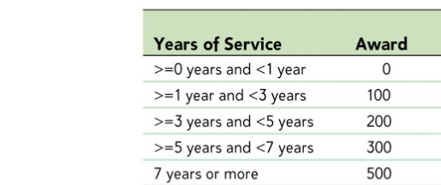

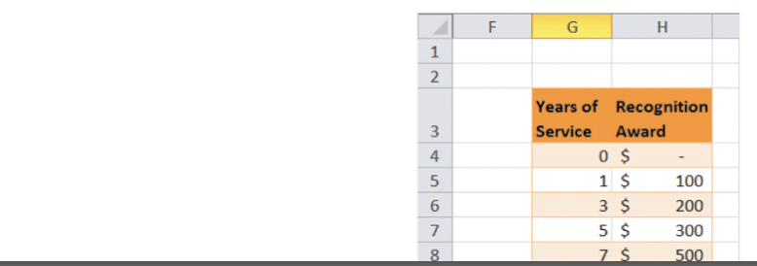

This lookup table is an Excel Table named Recognition, as shown below.

You can verify the name of this Excel Table via its contextual tab.
 | Years of Service | Recognition Award
 | 0 | $-
 | 1 | $100
 | 3 | $200
 | 5 | $300
 | 7 | $500

VLOOKUP #2 in Employee Data
 |  |  | Looking Up Employee Awards ("Recognition Awards") at Talent Tracs

Emp ID | Last Name | Hire Date | Birth Date | Sex | Location | Job Status | Add Life Ins | Pay Grade | Pay Type | Annual Salary | Health Plan | Years Service | Life Ins Premium | 401(k) | Salary Increase | Bonus | Health Cost | Award |  |  | years service as of | 2015-07-01
1024 | Hovey | 2011-08-28 | 1966-09-06 | M | Austin | FT | Y | 3 | S | $85,000 | HMOF | 3 | $85.00 | $2,550.00 | $3,400.00 | $7,500 | $18,000 |  | Bonus Pay Grade 1 | $2,500
1025 | Overton | 2007-05-24 | 1986-02-15 | F | Home | FT | N | 2 | S | $40,000 | HMOF | 8 | $- | $1,200.00 | $1,600.00 | $5,000 | $18,000 |  | Bonus Pay Grade 2 | $5,000
1026 | Fetherston | 2012-04-24 | 1968-09-24 | M | New Orleans | FT | Y | 2 | S | $37,244 | HMOF | 3 | $37.24 | $1,117.32 | $1,489.76 | $5,000 | $18,000 |  | Bonus Pay Grade 3 | $7,500
1027 | Lebrun | 2011-07-18 | 1959-08-09 | F | Austin | FT | N | 3 | S | $80,000 | None | 3 | $- | $2,400.00 | $3,200.00 | $7,500 | $-
1028 | Hanson | 2012-08-21 | 1950-07-15 | M | Austin | FT | Y | 3 | S | $65,000 | None | 2 | $65.00 | $1,950.00 | $2,600.00 | $7,500 | $-
1029 | Philo | 2012-03-05 | 1958-05-02 | M | New Orleans | FT | Y | 3 | S | $125,000 | PPOI | 3 | $125.00 | $3,750.00 | $5,000.00 | $7,500 | $11,400
1030 | Stolt | 2010-03-01 | 1977-12-07 | M | New Orleans | FT | N | 3 | S | $95,000 | HMOI | 5 | $- | $2,850.00 | $3,800.00 | $7,500 | $10,500
1031 | Akhalaghi | 2012-12-08 | 1961-12-04 | M | Austin | FT | N | 2 | S | $36,000 | None | 2 | $- | $1,080.00 | $1,440.00 | $5,000 | $-
Here, the Award formula takes this form in the Award field:
=VLOOKUP([@[Years Service]],Recognition,2,TRUE)
Note that table "Recognition" is in worksheet "VLOOKUP #2 at Talent Tracs" and the scope of this table is workbook.
1032 | Vankeuren | 2008-08-11 | 1959-01-10 | F | Austin | PT | N | 1 | H | $33,508 | PPOF | 6 | $- | $- | $837.70 | $2,500 | $19,800
1033 | Mccorkle | 2006-06-12 | 1942-01-30 | F | Nashville | FT | N | 1 | H | $21,840 | None | 9 | $- | $655.20 | $873.60 | $2,500 | $-
1034 | Nightingale | 2009-05-04 | 1989-08-27 | M | Nashville | FT | N | 1 | H | $25,792 | PPOF | 6 | $- | $773.76 | $1,031.68 | $2,500 | $19,800
1035 | Croasdale | 2012-12-18 | 1968-01-06 | F | Austin | FT | N | 1 | H | $32,011 | PPOI | 2 | $- | $960.33 | $1,280.44 | $2,500 | $11,400
1036 | Lambrechts | 2008-05-04 | 1958-04-28 | F | Nashville | FT | Y | 1 | H | $23,920 | HMOF | 7 | $23.92 | $717.60 | $956.80 | $2,500 | $18,000
1037 | Palmer | 2001-11-26 | 1971-10-04 | F | Austin | FT | Y | 1 | H | $32,011 | None | 13 | $32.01 | $960.33 | $1,280.44 | $2,500 | $-
1038 | Tetreault | 2005-02-22 | 1960-01-04 | F | Nashville | FT | Y | 1 | H | $21,840 | PPOI | 10 | $21.84 | $655.20 | $873.60 | $2,500 | $11,400
1039 | Cugini | 2012-12-04 | 1970-01-16 | F | Austin | FT | Y | 2 | S | $55,000 | PPOF | 2 | $55.00 | $1,650.00 | $2,200.00 | $5,000 | $19,800
1040 | Dash | 2012-10-12 | 1985-12-02 | M | Nashville | FT | Y | 2 | S | $65,000 | HMOF | 2 | $65.00 | $1,950.00 | $2,600.00 | $5,000 | $18,000
1041 | Donnelly | 2012-12-04 | 1959-05-09 | F | New Orleans | FT | Y | 3 | S | $125,000 | HMOF | 2 | $125.00 | $3,750.00 | $5,000.00 | $7,500 | $18,000
1042 | Lucht | 2007-11-26 | 1966-05-10 | M | Austin | FT | Y | 3 | S | $80,000 | HMOI | 7 | $80.00 | $2,400.00 | $3,200.00 | $7,500 | $10,500
1043 | Tiernan | 2010-03-19 | 1973-08-31 | F | Home | FT | N | 3 | S | $60,000 | None | 5 | $- | $1,800.00 | $2,400.00 | $7,500 | $-
1044 | Sheinin | 2001-06-18 | 1952-10-14 | M | Austin | FT | Y | 3 | S | $122,500 | HMOF | 14 | $122.50 | $3,675.00 | $4,900.00 | $7,500 | $18,000
1045 | Kenyon | 2012-07-21 | 1965-11-03 | M | Austin | FT | Y | 3 | S | $200,000 | HMOF | 2 | $200.00 | $6,000.00 | $8,000.00 | $7,500 | $18,000
1046 | Wichman | 2011-11-27 | 1952-06-08 | F | Home | PT | N | 1 | H | $31,761 | HMOI | 3 | $- | $- | $1,270.44 | $2,500 | $10,500
1047 | Husband | 2013-02-19 | 1962-04-11 | M | Austin | FT | Y | 3 | S | $65,000 | HMOF | 2 | $65.00 | $1,950.00 | $2,600.00 | $7,500 | $18,000
1048 | Watts | 2005-07-05 | 1959-03-17 | F | Austin | FT | N | 1 | H | $24,752 | None | 9 | $- | $742.56 | $990.08 | $2,500 | $-
1049 | Longa | 2011-07-10 | 1961-04-11 | M | New Orleans | FT | Y | 3 | S | $175,000 | None | 3 | $175.00 | $5,250.00 | $7,000.00 | $7,500 | $-
1050 | Jacques | 2012-11-06 | 1991-11-23 | F | Austin | FT | Y | 1 | H | $29,120 | PPOF | 2 | $29.12 | $873.60 | $1,164.80 | $2,500 | $19,800
1051 | Joseph | 2012-12-04 | 1966-10-15 | M | New Orleans | FT | Y | 3 | S | $75,000 | HMOF | 2 | $75.00 | $2,250.00 | $3,000.00 | $7,500 | $18,000
1052 | Provost | 2000-03-24 | 1964-12-08 | M | Austin | FT | N | 3 | S | $60,000 | HMOF | 15 | $- | $1,800.00 | $2,400.00 | $7,500 | $18,000
1053 | Limanni | 2008-05-23 | 1962-02-15 | M | New Orleans | FT | Y | 4 | S | $200,000 | HMOF | 7 | $200.00 | $6,000.00 | $8,000.00 | $7,500 | $18,000
1054 | Young | 1999-08-12 | 1968-10-15 | M | Austin | FT | Y | 3 | S | $110,000 | HMOI | 15 | $110.00 | $3,300.00 | $4,400.00 | $7,500 | $10,500
1055 | Damien | 2012-11-06 | 1973-03-20 | M | Nashville | FT | N | 1 | H | $22,880 | PPOF | 2 | $- | $686.40 | $915.20 | $2,500 | $19,800
1056 | Squillante | 2007-06-10 | 1966-04-20 | F | Nashville | FT | N | 1 | H | $22,880 | HMOI | 8 | $- | $686.40 | $915.20 | $2,500 | $10,500
1057 | Conrad | 2013-01-08 | 1957-03-21 | M | Austin | FT | Y | 3 | S | $85,000 | HMOI | 2 | $85.00 | $2,550.00 | $3,400.00 | $7,500 | $10,500
1058 | Myette | 2009-05-04 | 1967-06-28 | M | Home | PT | N | 2 | S | $33,000 | HMOF | 6 | $- | $- | $1,320.00 | $5,000 | $18,000
1059 | Nasse | 2008-07-16 | 1986-02-08 | F | Austin | FT | N | 3 | S | $65,000 | None | 6 | $- | $1,950.00 | $2,600.00 | $7,500 | $-
1060 | Kusz | 2005-04-12 | 1986-07-13 | F | Nashville | FT | N | 1 | H | $21,299 | HMOF | 10 | $- | $638.97 | $851.96 | $2,500 | $18,000
1061 | White | 2009-03-13 | 1949-07-08 | M | New Orleans | FT | Y | 3 | S | $95,000 | None | 6 | $95.00 | $2,850.00 | $3,800.00 | $7,500 | $-
1062 | Chamberlain | 2012-08-08 | 1956-12-01 | M | New Orleans | FT | Y | 3 | S | $80,000 | HMOI | 2 | $80.00 | $2,400.00 | $3,200.00 | $7,500 | $10,500
1063 | Anderson | 2012-07-17 | 1959-07-12 | M | Nashville | FT | N | 1 | H | $25,792 | PPOF | 2 | $- | $773.76 | $1,031.68 | $2,500 | $19,800
1064 | Young | 2012-01-08 | 1970-03-06 | F | New Orleans | FT | N | 3 | S | $70,000 | HMOF | 3 | $- | $2,100.00 | $2,800.00 | $7,500 | $18,000
1065 | Viator | 2010-10-04 | 1959-10-25 | F | Austin | FT | N | 3 | S | $73,500 | PPOF | 4 | $- | $2,205.00 | $2,940.00 | $7,500 | $19,800
1066 | Law | 2009-09-07 | 1961-03-11 | F | Nashville | FT | N | 1 | H | $21,299 | PPOF | 5 | $- | $638.97 | $851.96 | $2,500 | $19,800
1067 | Teliha | 2011-08-07 | 1956-10-28 | F | Austin | FT | N | 1 | H | $39,000 | None | 3 | $- | $1,170.00 | $1,560.00 | $2,500 | $-
1068 | Carrington | 2012-05-29 | 1950-08-21 | M | Austin | FT | Y | 3 | S | $115,000 | HMOF | 3 | $115.00 | $3,450.00 | $4,600.00 | $7,500 | $18,000
1069 | Petro | 2004-01-18 | 1951-11-08 | F | Nashville | FT | N | 1 | H | $21,840 | PPOI | 11 | $- | $655.20 | $873.60 | $2,500 | $11,400
1070 | Greenwood | 2013-01-01 | 1966-06-10 | M | Austin | FT | Y | 3 | S | $123,000 | PPOF | 2 | $123.00 | $3,690.00 | $4,920.00 | $7,500 | $19,800
1071 | Martuscelli | 2001-01-08 | 1991-12-23 | M | Austin | FT | Y | 3 | S | $90,000 | PPOI | 14 | $90.00 | $2,700.00 | $3,600.00 | $7,500 | $11,400
1072 | Mcgovern | 2004-04-20 | 1956-06-30 | M | Austin | FT | Y | 3 | S | $110,000 | HMOI | 11 | $110.00 | $3,300.00 | $4,400.00 | $7,500 | $10,500
1073 | Lapointe | 2004-06-15 | 1950-04-29 | F | Austin | FT | Y | 3 | S | $75,000 | None | 11 | $75.00 | $2,250.00 | $3,000.00 | $7,500 | $-
1074 | Sweet | 2007-06-03 | 1953-06-16 | M | New Orleans | FT | Y | 3 | S | $80,000 | HMOI | 8 | $80.00 | $2,400.00 | $3,200.00 | $7,500 | $10,500
1075 | Boisclair | 2013-01-29 | 1982-11-01 | F | Austin | FT | Y | 2 | S | $45,000 | PPOI | 2 | $45.00 | $1,350.00 | $1,800.00 | $5,000 | $11,400
1076 | Montagna | 2007-08-02 | 1962-07-26 | F | Nashville | FT | N | 1 | H | $22,048 | HMOF | 7 | $- | $661.44 | $881.92 | $2,500 | $18,000
1077 | Engstrume | 2012-08-28 | 1974-05-24 | M | Austin | FT | N | 2 | S | $47,000 | HMOI | 2 | $- | $1,410.00 | $1,880.00 | $5,000 | $10,500
1078 | Travison | 2004-11-05 | 1951-05-31 | F | Nashville | FT | N | 1 | H | $26,000 | None | 10 | $- | $780.00 | $1,040.00 | $2,500 | $-
1079 | Kovacs | 2012-07-17 | 1984-10-15 | M | Nashville | PT | N | 1 | H | $25,792 | HMOI | 2 | $- | $- | $644.80 | $2,500 | $10,500
1080 | Patnoad | 2007-07-01 | 1991-10-09 | F | Nashville | FT | N | 1 | H | $27,560 | PPOF | 8 | $- | $826.80 | $1,102.40 | $2,500 | $19,800
1081 | Disandro | 2012-07-17 | 1949-02-01 | M | Austin | FT | Y | 3 | S | $150,000 | PPOI | 2 | $150.00 | $4,500.00 | $6,000.00 | $7,500 | $11,400
1082 | Steyerl | 2008-03-13 | 1969-05-12 | M | Austin | CN | N | 3 | S | $54,000 | None | 7 | $- | $- | $1,350.00 | $7,500 | $-
1083 | Fagan | 2012-07-24 | 1959-10-25 | M | Austin | FT | Y | 3 | S | $85,000 | PPOF | 2 | $85.00 | $2,550.00 | $3,400.00 | $7,500 | $19,800
1084 | Abdullah | 2011-02-05 | 1947-01-18 | F | Austin | FT | N | 2 | S | $42,000 | HMOF | 4 | $- | $1,260.00 | $1,680.00 | $5,000 | $18,000
1085 | Rigby | 2006-03-15 | 1961-03-03 | F | Nashville | FT | Y | 1 | H | $29,640 | HMOI | 9 | $29.64 | $889.20 | $1,185.60 | $2,500 | $10,500
1086 | Zisowitz | 2002-11-11 | 1978-05-13 | M | Austin | FT | Y | 3 | S | $110,000 | HMOF | 12 | $110.00 | $3,300.00 | $4,400.00 | $7,500 | $18,000
1087 | Weaver | 2011-09-12 | 1986-09-24 | F | Austin | CN | N | 3 | S | $66,000 | None | 3 | $- | $- | $1,650.00 | $7,500 | $-
1088 | Williams | 2003-09-18 | 1953-06-16 | F | Austin | FT | N | 2 | S | $52,000 | HMOF | 11 | $- | $1,560.00 | $2,080.00 | $5,000 | $18,000
1089 | Gifford | 2012-11-13 | 1955-10-11 | F | Austin | FT | Y | 3 | S | $85,000 | HMOF | 2 | $85.00 | $2,550.00 | $3,400.00 | $7,500 | $18,000
1090 | Scott | 2011-12-11 | 1974-03-03 | M | Austin | FT | Y | 3 | S | $130,000 | None | 3 | $130.00 | $3,900.00 | $5,200.00 | $7,500 | $-
1091 | Tufts | 2007-05-13 | 1959-06-05 | M | New Orleans | FT | Y | 3 | S | $110,000 | PPOF | 8 | $110.00 | $3,300.00 | $4,400.00 | $7,500 | $19,800
1092 | Sherman | 2010-11-26 | 1955-03-02 | M | Austin | PT | N | 1 | H | $33,280 | HMOI | 4 | $- | $- | $832.00 | $2,500 | $10,500
1093 | Mulcahey | 2001-08-25 | 1964-05-13 | F | Austin | PT | N | 2 | S | $45,000 | None | 13 | $- | $- | $1,125.00 | $5,000 | $-
1094 | Lachapelle | 2001-11-20 | 1950-11-02 | F | Austin | FT | N | 2 | S | $35,000 | HMOF | 13 | $- | $1,050.00 | $1,400.00 | $5,000 | $18,000
1095 | Hamilton | 2012-04-10 | 1982-07-15 | M | New Orleans | FT | N | 3 | S | $63,750 | None | 3 | $- | $1,912.50 | $2,550.00 | $7,500 | $-
1096 | Silver | 2005-09-06 | 1967-06-26 | F | Austin | PT | N | 3 | S | $93,000 | None | 9 | $- | $- | $2,325.00 | $7,500 | $-
1097 | Schwegler | 2006-10-17 | 1967-03-20 | M | New Orleans | CN | N | 3 | S | $90,000 | None | 8 | $- | $- | $2,250.00 | $7,500 | $-
1098 | Hanson | 2012-05-29 | 1953-04-15 | M | Austin | FT | Y | 3 | S | $152,400 | PPOF | 3 | $152.40 | $4,572.00 | $6,096.00 | $7,500 | $19,800
1099 | Reels | 2009-06-15 | 1963-07-31 | F | Austin | PT | N | 1 | H | $26,520 | None | 6 | $- | $- | $663.00 | $2,500 | $-
1100 | Hazera | 2012-07-10 | 1960-05-05 | M | Austin | FT | Y | 2 | S | $40,000 | PPOI | 2 | $40.00 | $1,200.00 | $1,600.00 | $5,000 | $11,400
1101 | Hu | 2013-01-22 | 1953-07-11 | F | Austin | FT | N | 2 | S | $50,000 | HMOF | 2 | $- | $1,500.00 | $2,000.00 | $5,000 | $18,000
1102 | Flores | 2012-10-16 | 1984-07-15 | F | Austin | FT | Y | 3 | S | $85,000 | PPOI | 2 | $85.00 | $2,550.00 | $3,400.00 | $7,500 | $11,400
1103 | Johnson | 2012-08-28 | 1951-11-24 | F | Austin | FT | N | 1 | H | $28,496 | HMOI | 2 | $- | $854.88 | $1,139.84 | $2,500 | $10,500
1104 | Laplante | 2003-09-22 | 1959-01-05 | F | Home | FT | N | 1 | H | $24,752 | HMOI | 11 | $- | $742.56 | $990.08 | $2,500 | $10,500
1105 | Mazzotta | 2004-03-19 | 1982-11-07 | M | Austin | FT | Y | 3 | S | $65,000 | HMOI | 11 | $65.00 | $1,950.00 | $2,600.00 | $7,500 | $10,500
1106 | Tucker | 2007-03-11 | 1958-03-03 | F | Nashville | PT | N | 1 | H | $22,880 | PPOF | 8 | $- | $- | $572.00 | $2,500 | $19,800
1107 | Brazil | 2012-08-28 | 1976-02-05 | F | Austin | FT | N | 1 | H | $29,016 | None | 2 | $- | $870.48 | $1,160.64 | $2,500 | $-
1108 | Lowe | 2000-08-11 | 1967-04-02 | M | Austin | FT | Y | 3 | S | $102,500 | HMOI | 14 | $102.50 | $3,075.00 | $4,100.00 | $7,500 | $10,500
1109 | Fasching | 2012-04-03 | 1967-02-22 | F | Austin | FT | N | 2 | S | $43,260 | PPOF | 3 | $- | $1,297.80 | $1,730.40 | $5,000 | $19,800
1110 | Veyera | 2006-03-07 | 1965-02-15 | M | New Orleans | FT | Y | 3 | S | $150,000 | None | 9 | $150.00 | $4,500.00 | $6,000.00 | $7,500 | $-
1111 | O'Donnell | 2008-12-29 | 1953-04-04 | F | Nashville | CN | N | 3 | S | $55,000 | None | 6 | $- | $- | $1,375.00 | $7,500 | $-
1112 | Dasilva | 2013-02-12 | 1979-03-20 | F | Nashville | FT | N | 1 | H | $22,880 | HMOF | 2 | $- | $686.40 | $915.20 | $2,500 | $18,000
1113 | Dain | 2012-06-07 | 1976-05-08 | F | Home | FT | N | 1 | H | $22,880 | HMOI | 3 | $- | $686.40 | $915.20 | $2,500 | $10,500
1114 | Fisher | 2013-01-22 | 1991-04-02 | F | Home | FT | N | 1 | H | $23,920 | None | 2 | $- | $717.60 | $956.80 | $2,500 | $-
1115 | Golet | 2012-10-30 | 1956-04-27 | M | Austin | FT | Y | 3 | S | $100,000 | PPOF | 2 | $100.00 | $3,000.00 | $4,000.00 | $7,500 | $19,800
1116 | Howard | 2012-09-04 | 1974-11-07 | F | Austin | FT | Y | 2 | S | $43,000 | HMOF | 2 | $43.00 | $1,290.00 | $1,720.00 | $5,000 | $18,000
1117 | Zunjic | 2010-10-12 | 1970-01-17 | F | Austin | PT | N | 1 | H | $36,004 | HMOI | 4 | $- | $- | $900.10 | $2,500 | $10,500
1118 | Lynch | 2007-02-12 | 1974-07-12 | F | Austin | FT | N | 2 | S | $38,500 | HMOI | 8 | $- | $1,155.00 | $1,540.00 | $5,000 | $10,500
1119 | Thibault | 2008-07-16 | 1970-06-11 | F | Nashville | FT | N | 1 | H | $27,851 | PPOI | 6 | $- | $835.53 | $1,114.04 | $2,500 | $11,400
1120 | Baglama | 2012-10-02 | 1968-06-10 | M | Austin | FT | Y | 3 | S | $96,000 | None | 2 | $96.00 | $2,880.00 | $3,840.00 | $7,500 | $-
1121 | Winters | 2005-02-14 | 1953-03-01 | F | Nashville | FT | N | 1 | H | $33,800 | PPOF | 10 | $- | $1,014.00 | $1,352.00 | $2,500 | $19,800
1122 | Wang | 2001-08-24 | 1966-08-11 | F | Austin | FT | N | 1 | H | $35,048 | PPOI | 13 | $- | $1,051.44 | $1,401.92 | $2,500 | $11,400
1123 | Harrison | 2012-06-19 | 1963-11-25 | M | Austin | FT | N | 2 | S | $41,000 | PPOF | 3 | $- | $1,230.00 | $1,640.00 | $5,000 | $19,800

